Pattierson Artist
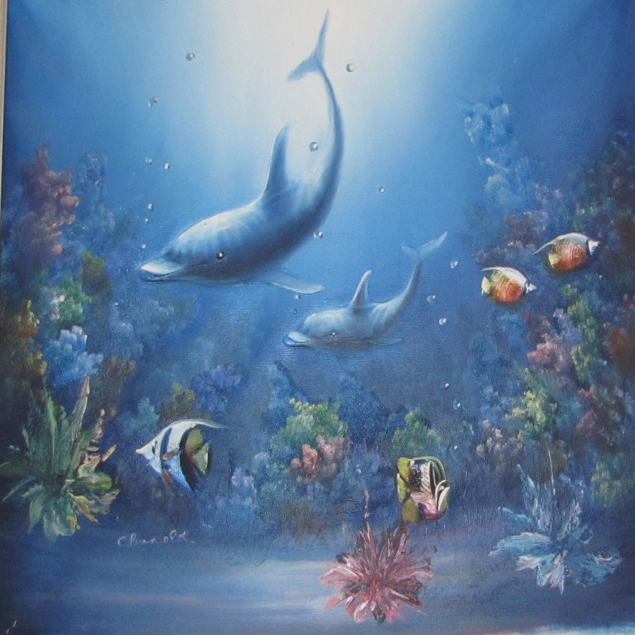
The Joy of Art | Koleman Parsley
Proposed Building Mural

